Cross head Salvage (REv)
 |  |  |  | CROSS HEAD
 |  |  |  | DELIVERY & RECEIVING CHECKSHEET

JOB NUMBER |  | PART NAME |  |  | CROSS HEAD |  |  |  | DOCUMENT NO. |  |  |  |  | QR07-SAL-003
ENGINE MODEL |  | PART NUMBER |  |  |  |  |  |  | PUBL. DATE |  |  |  |  | 01/08/2008
ENGINE S/N |  | START DATE / TIME |  |  |  |  |  |  | REVISION NO. |  |  |  |  | 02
MACHINE MODEL |  | FINISH DATE / TIME |  |  |  |  |  |  | PAGE |  |  |  |  | 1 of 1

SKETCH DRAWING
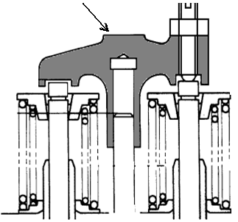
 |  |  |  |  | VISUAL CHECK |  |  |  |  | MECHANIC |  |  |  |  | QA
 |  |  |  |  |  |  |  |  |  | OK |  | NOT OK |  |  | OK | NOT OK
 |  |  |  |  | CRACK HAS BEEN CHECKED
 |  |  |  |  | CHECK THREAD OF CROSSHEAD
 |  |  |  |  | CHECK THREAD OF SCREW
 |  |  |  |  | CHECK THREAD OF NUT

 |  |  |  |  | MAN HOURS UTILIZATION
 |  |  |  |  | PROCESS |  |  | START |  |  | FINISH |  |  |  | MAN HOURS
 |  |  |  |  | Washing
 |  |  |  |  | Measuring
 |  |  |  |  | TOTAL
 | Standard
 | Upper pad portion : Free from Wear |  | Physical Data
 |  |  | No. | Part Number |  |  | Part Name |  |  |  | Qty |  | New |  | Reuse
 |  |  | 1 |  |  |  | Cross head
 |  |  | 2 |  |  |  | Screw
 |  |  | 3 |  |  |  | Nut

MECHANIC INSPECTION COMMENT :

 | DELIVERY BY MACHINING |  |  |  |  | RECEIVING INSPECTION BY MECHANIC
 | DELIVERY DATE : |  |  |  |  | RECEIVED DATE :
 | MACHINIST NAME : |  |  |  |  | MECHANIC NAME :
 | SIGN |  |  |  |  | SIGN

 | Note : New Cyl Head & after finishing can be directly measured by QA ( Quality Assurance )

